Checklist 301
Test Case ID: | 301
Test Case Name: | TC_ New Comments page creation - UI
Status: | New
Test Type: | UI
Author: | Max Maksimov
Creation Date: | 09/21/2012
Automation: | Recommended
Priority: | High
Objective: | To verify that UI for 'New Comments' page corresponds to mock up.
Pre-Conditions and Setup: | The ‘New Comments’ page is opened.
# | Steps | Instructions | Version (Build) #
 |  |  | Status | Comments | Execution Date
1 | Verify the UI controls presence |  | PASS
 | Verify the UI controls alignment |  | FAIL | 1
 | Verify size and font of labels. |  | FAIL | 2, 3
2 | Verify spelling of labels. |  | PASS
3 | Verify that 'Comment Text' field is empty by default |  | PASS
4 | Verify that 'Number’ field is empty by default |  | PASS
5 | Verify that ‘Active’ checkbox is checked by defaultw |  | PASS
6 | Verify that status of 'Active' checkbox is changed by click. |  | PASS
7 | Verify tabulation. |  | PASS
8 | Verify that all UI controls are visible on the screen after page resizing. | * resize by corresponding button in the top right corner of the form * resize by dragging the corner of window | PASS
Test Data: | None
Attachments: | 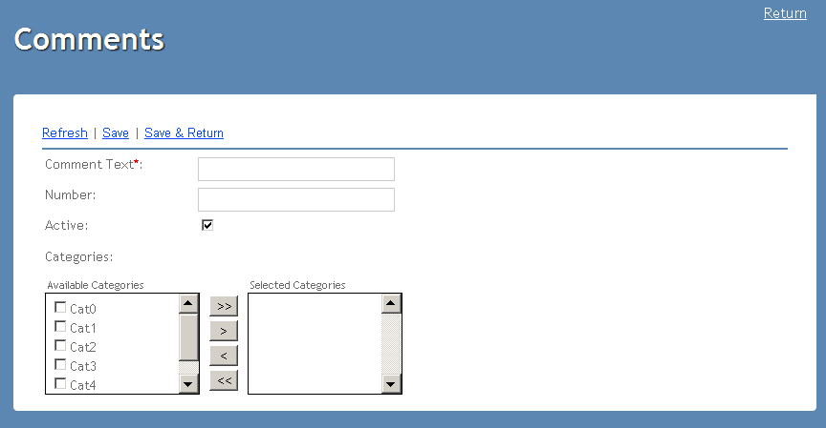

Defects
# | Summary |  | Actual Result | Expected Result | Priority
1 | The is not alignment the button "Apply" on the navigation menu. | 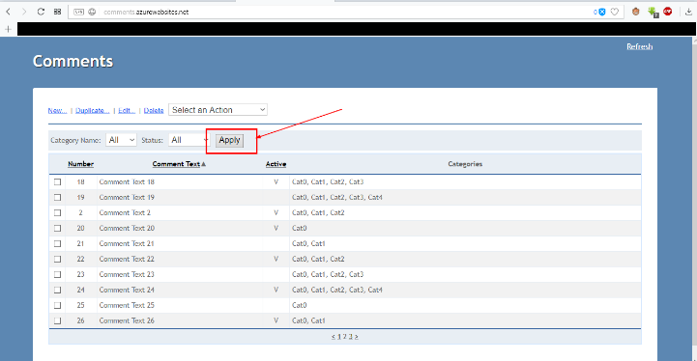 | The is not alignment the button "Apply" on the navigation menu. | The is alignment the button "Apply" on the navigation menu. | minor
2 | There is a different size of the font of drop-down lists. | 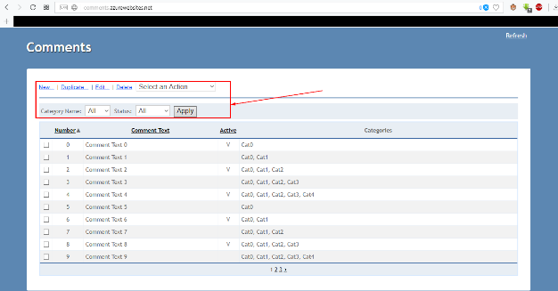 | There is a different size of the font of drop-down lists. | There is no different size of the font of drop-down lists. | minor
3 | There is a different size of the font categories names when creats new comment. | 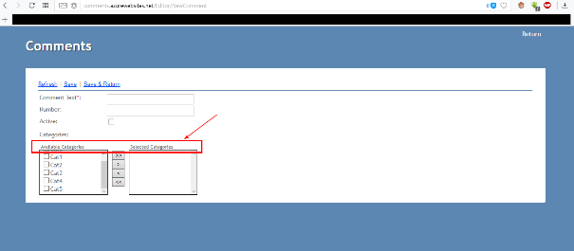 | There is a different size of the font categories names when creats new comment. | There is no different size of the font categories names when creats new comment. | minor

TS Fields Validation
Status: | New
Test Type: | Functional
Automation: | Recommended
Priority: | High
Goal: | To verify fields validation on the 'New Comments' page
Comment: | Example of Test Cases where Status is tracked at the Test Case level and can't be tracked for separate steps of Test Case
ID | Test Case Name | Author | Creation Date | Objective | Pre-Condition | Steps | Test data | Instructions | Expected Result | Version (Build) #
 |  |  |  |  |  |  |  |  |  | Execution Status | Comments | Execution Date
1 | 'Comment Text' not empty validation | Ivan Ivanov | 09/21/2012 | Verify that 'Comment Text' field is obligatory while cteating new Comment | 1. Test Case 302 'TC_ New Comments page creating - Functional Save and Save & Return' PASSED 2. The Comments application is opened | 1. Click 'New…' link 2. Click 'Save' or 'Save&Return' link |  |  | 1. The ‘New Comments’ page is still opened. 2. Red label with text ‘The Comment Text field is required’ appears above ‘Comment Text’ field. 3. ‘Comment Text’ field is in red color. | PASS
2 | 'Comment Text' invalid reserved characters validation | Ivan Ivanov | 09/21/2012 | Verify that 'Comment Text' field can't contain reserved characters (=,/, |, \, *, (, ), _, :, ;, #, %, ^, ?, [, ], etc.). | The Comments application is opened | 1. Click 'New…' link 2. Enter one of reserved characters from Test data in 'Comment Text' field 3. Click 'Save' or 'Save&Return' link | '=' '/' '|' '\' '*' '(' ')' '_' ':' ';' '#' '%' '^' '?' '[' ']' | Repeat Test Case with each of reserved characters listed in Test Data separately | 1. The ‘New Comments’ page is still opened. 2. Red label with text ‘The Comment Text field should contain alphanumeric characters only ’ appears above ‘Comment Text’ field. 3. ‘Comment Text’ field is in red color. | FAIL | 1, 2
3 | 'Comment Text' invalid length validation | Ivan Ivanov | 09/21/2012 | Verify that 'Comment Text' field can't be longer that 50 characters | The Comments application is opened | 1. Click 'New…' link 2. Enter 51-symbols alphanumeric value in 'Comment Text' field 3. Click 'Save' or 'Save&Return' link |  |  | 1. The ‘New Comments’ page is still opened. 2. Red label with text ‘The maximum length of Comment Text field is 50 characters’ appears above ‘Comment Text’ field. 3. ‘Comment Text’ field is in red color. | PASS
4 | 'Comment Text' allowed value validation | Ivan Ivanov | 09/21/2012 | Verify that 'Comment Text' field accepts valid value | The Comments application is opened | 1. Click 'New…' link 2. Enter unique 50-symbols alphanumeric value in 'Comments Text' field 3. Add all categories to 'Selected Categories' list 4. Click 'Save' or 'Save&Return' link 5. Go to the main page 6. Verify that newly created comment is in the list of comments |  | Use link from General sheet to open the main page | Newly created comment is in the list of comments | PASS
5 | 'Comment Text' uniqueness validation | Ivan Ivanov | 09/21/2012 | Verify that value in 'Comment Text' field can't be not unique | The Comments application is opened | 1. Click 'Edit...' link 2. Copy value in 'Comment Text' field (Ctrl+C) 3. Go to the main page 4. Click 'New...' link 5. Paste copied value into 'Comment Text' field (Ctrl+V) 6. Click 'Save' or 'Save&Return' link |  | Use link from General sheet to open the main page | 1. The ‘New Comments’ page is still opened. 2. Red label with text ‘Comments already exists’ appears above ‘Comment Text’ field. 3. ‘Comment Text’ field is in red color. | FAIL | 3
6 | 'Comment Text' case insensitivity validation | Ivan Ivanov | 09/21/2012 | Verify that 'Comment Text' field is case insensitive | The Comments application is opened | 1. Click 'Edit...' link 2. Remember value in 'Comment Text' field 3. Go to the main page 4. Click 'New...' link 5. Enter remembered value from step #2 into 'Comment Text' field in the following way: Capital letters in value #2 print as small ones and vise versa 6. Click 'Save' or 'Save&Return' link |  | Use link from General sheet to open the main page | 1. The ‘New Comments’ page is still opened. 2. Red label with text ‘Comments already exists’ appears above ‘Comment Text’ field. 3. ‘Comment Text’ field is in red color. | FAIL | 4
7 | 'Number' numeric validation | Ivan Ivanov | 09/21/2012 | Verify that 'Number' field can't contain alphabetical and reserved characters | The Comments application is opened | 1. Click 'New…' link 2. Enter unique valid data to ‘Comment Text’ 3. Enter alphabetical and reserved characters in 'Number' field 4. Add all categories to 'Selected Categories' list 5. Click 'Save' or 'Save&Return' link |  |  | 1. The ‘New Comments’ page is still opened. 2. Red label with text ‘Number field should contains only digits ’ appears above ‘Comment Text’ field. | FAIL | 5
8 | 'Number' invalid length validation | Ivan Ivanov | 09/21/2012 | Verify that 'Number' field can't be bigger than 999 | The Comments application is opened | 1. Click 'New…' link 2. Enter unique valid data to ‘Comment Text’ 3. Enter 4-symbols numerical value in 'Number' field 4. Add all categories to 'Selected Categories' list 5. Click 'Save' or 'Save&Return' link |  |  | 1. The ‘New Comments’ page is still opened. 2. Red label with text ‘The Number field should contain value from 0 to 999’ appears above ‘Comment Text’ field. | FAIL | 6
9 | 'Number' uniqueness validation | Ivan Ivanov | 09/21/2012 | Verify that 'Number' field can't be not unique | The Comments application is opened | 1. Click 'Edit...' link 2. Copy value in 'Number' field (Ctrl+C) 3. Go to the main page 4. Click 'New...' link 5. Enter unique valid data to ‘Comment Text’ 6. Paste copied value into 'Number' field (Ctrl+V) 6. Click 'Save' or 'Save&Return' link |  |  | 1. The ‘New Comments’ page is still opened. 2. Red label with text ‘Number field should be unique of empty’ appears above ‘Comment Text’ field. | FAIL | 7
10 | 'Category' not empty validation | Ivan Ivanov | 09/21/2012 | Verify that 'Selected Category' contains at least one category for comment saving | The Comments application is opened | 1. Click 'Edit...' link 2. Enter unique valid data to ‘Comment Text’ 3. Click 'Save' or 'Save&Return' link |  |  | 1. The ‘New Comments’ page is still opened. 2. Red label with text ‘Please, select at least one category’ appears above ‘Comment Text’ field. | PASS

 |  |  |  | # | Summary |  | Actual Result | Expected Result | Priority
 |  |  |  | 1 | The is no a red color in the ‘Comment Text’ field after enter one of reserved characters. | 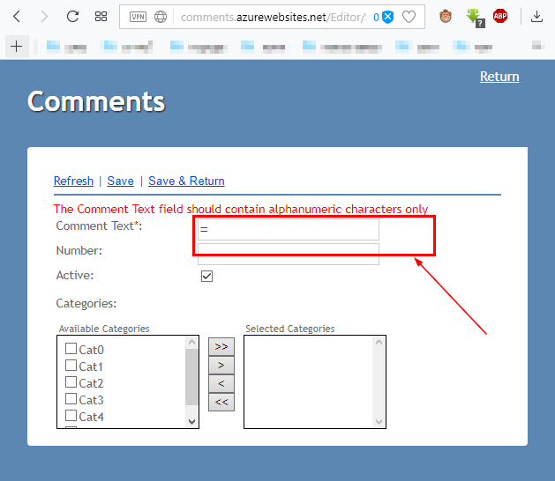 | The is not a red color in the ‘Comment Text’ field after enter one of reserved characters. | The is a red color in the ‘Comment Text’ field after enter one of reserved characters. | minor
 |  |  |  | 2 | There is not red label with text ‘The Comment Text field should contain alphanumeric characters only ’ appears above ‘Comment Text’ field after enter ';'. | 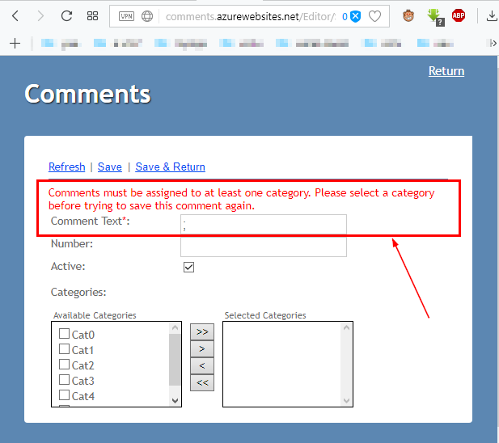 | There is not red label with text ‘The Comment Text field should contain alphanumeric characters only ’ appears above ‘Comment Text’ field after enter ';'. | There is red label with text ‘The Comment Text field should contain alphanumeric characters only ’ appears above ‘Comment Text’ field after enter ';'. | minor
 |  |  |  | 3 | The is no a red color in the ‘Comment Text’ field after enter uniqueness data. | 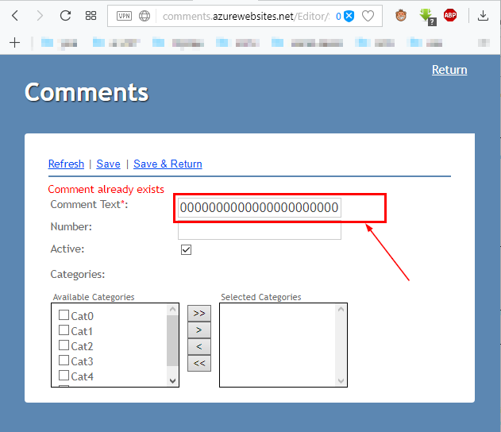 | The is not a red color in the ‘Comment Text’ field. | The is a red color in the ‘Comment Text’ field. | minor
 |  |  |  | 4 | There is no red label with text ‘Comments already exists’ appears above ‘Comment Text’ field after enter exist text is insensitive. | 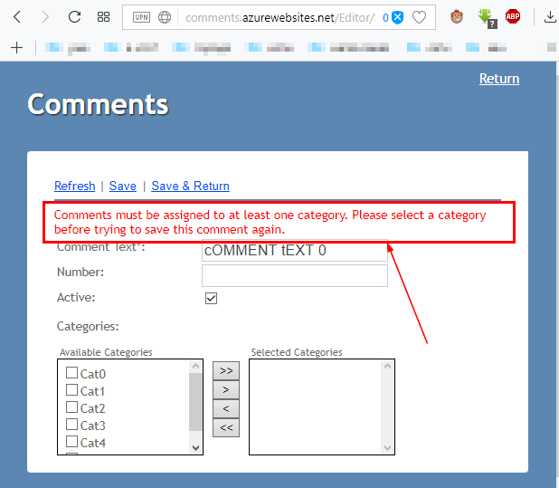 | There is not red label with text ‘Comments already exists’ appears above ‘Comment Text’ field after enter exist text is insensitive. | There is red label with text ‘Comments already exists’ appears above ‘Comment Text’ field after enter exist text is insensitive. | minor
 |  |  |  | 5 | There is no red label with text ‘Number field should contains only digits ’ appears above ‘Comment Text’ field after enter alphabetical and reserved characters. | 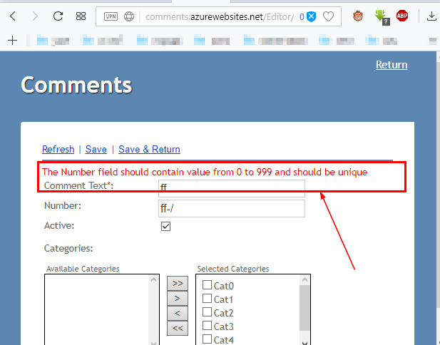 | There is no red label with text ‘Number field should contains only digits ’ appears above ‘Comment Text’ field after enter alphabetical and reserved characters. | There is red label with text ‘Number field should contains only digits ’ appears above ‘Comment Text’ field after enter alphabetical and reserved characters. | minor
 |  |  |  | 6 | There is no red label with text ‘Number field should contains only digits ’ appears above ‘Comment Text’ field after enter 4-symbols numerical value. | 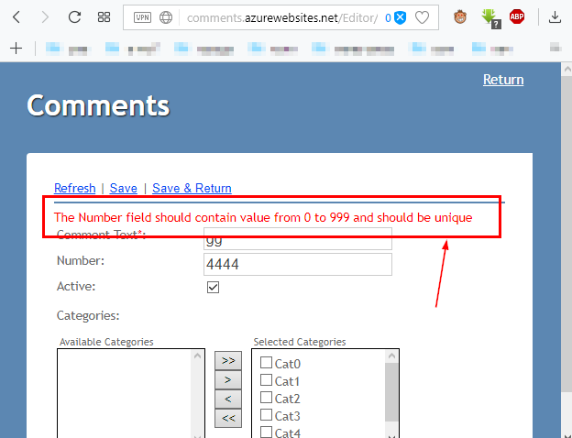 | There is no red label with text ‘The Number field should contain value from 0 to 999’ appears above ‘Comment Text’ field after enter alphabetical and reserved characters. | There is red label with text ‘The Number field should contain value from 0 to 999 ’ appears above ‘Comment Text’ field after enter alphabetical and reserved characters. | minor
 |  |  |  | 7 | There is no red label with text ‘Number field should contains only digits ’ appears above ‘Comment Text’ field after enter already exist number. |  | There is no red label with text ‘Number field should be unique of empty ’ appears above ‘Comment Text’ field after enter alphabetical and reserved characters. | There is red label with text ‘Number field should be unique of empty ’ appears above ‘Comment Text’ field after enter alphabetical and reserved characters. | minor

